Sheet1
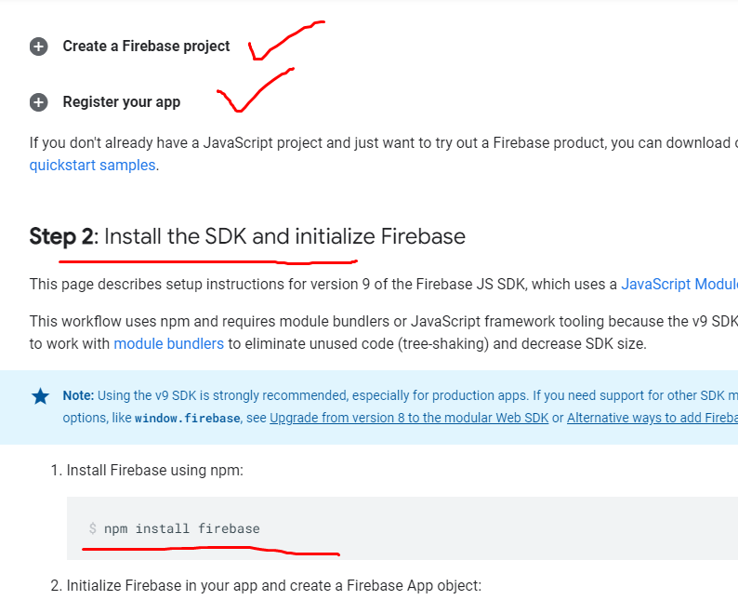
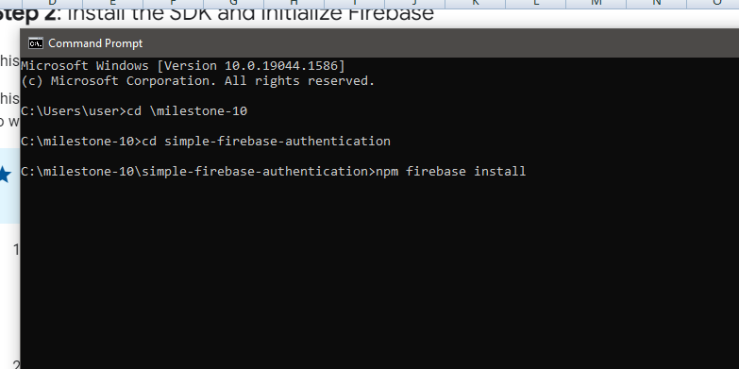
1 | Create a project on console.firebase.google.com

2 | npm install firebase

